Instructions
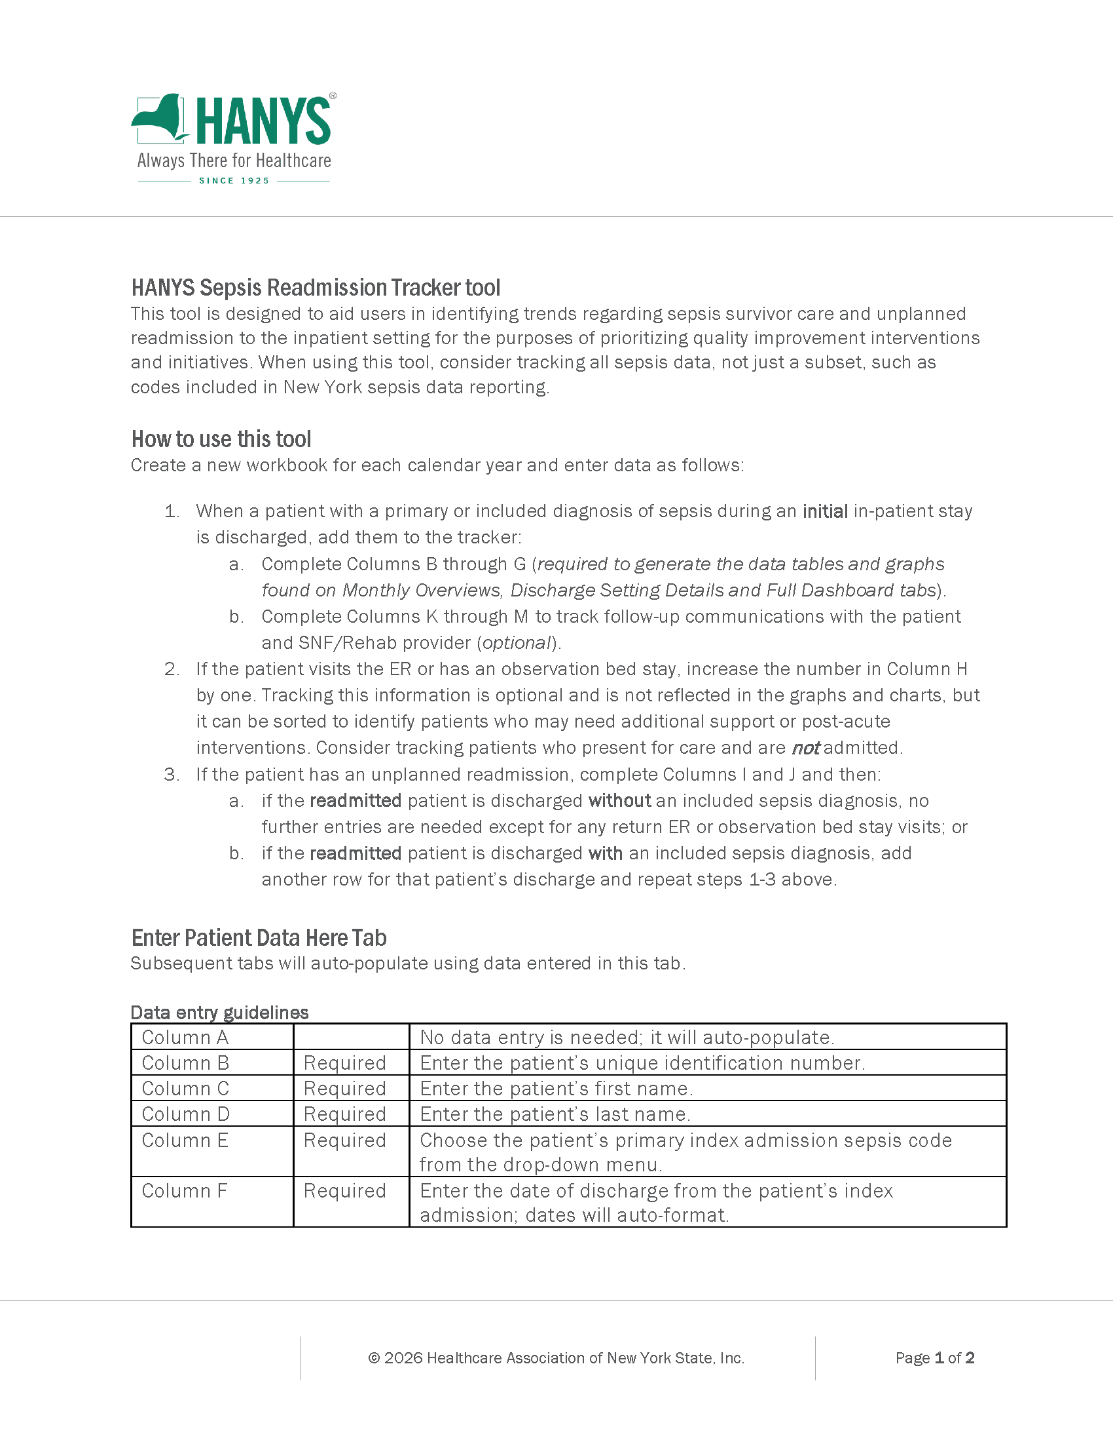
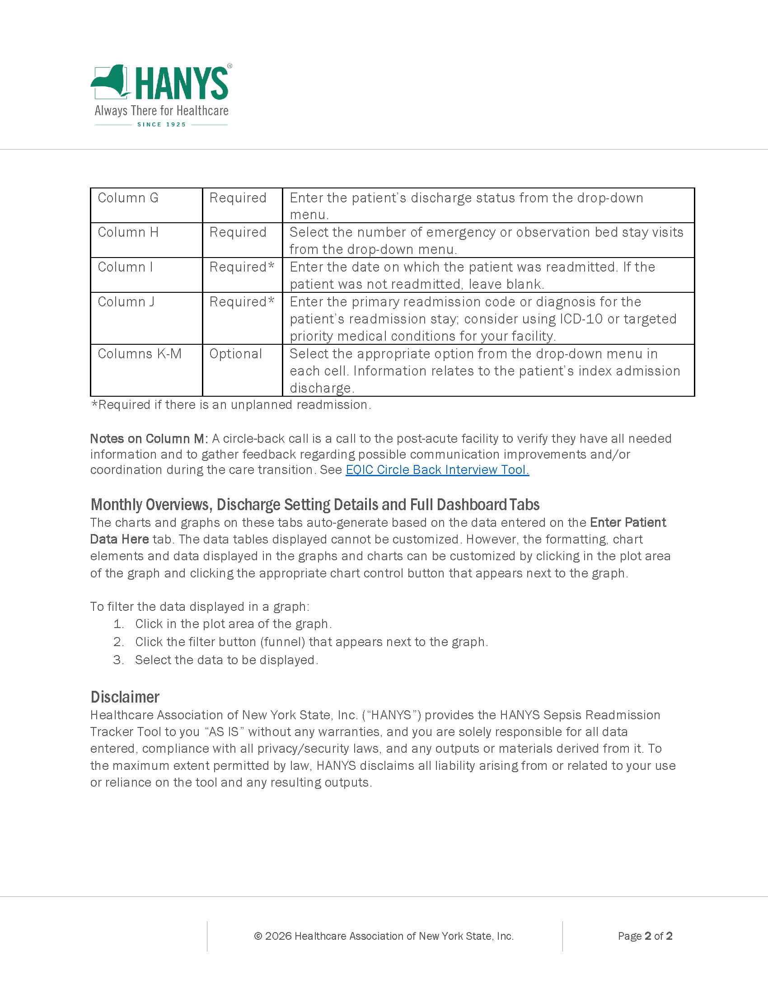

Enter Patient Data Here
Sepsis Readmission Tracker Tool

Row ID | Patient Identifier | Patient First Name | Patient Last Name | Index Admission Sepsis Code | Date of Hospital Discharge | Discharge Status | Count of Emergency or Observation Bed Stay Visits | Unplanned Readmission Date | Primary Readmission Code or Diagnosis | Follow-Up Phone Contact with Patient/Caregiver within 48 Hours of Discharge? | PCP Appointment within 7 Days of Discharge? | Circle-Back Call with SNF/Rehab after Discharge?
1
2
3
4
5
6
7
8
9
10
11
12
13
14
15
16
17
18
19
20
21
22
23
24
25
26
27
28
29
30
31
32
33
34
35
36
37
38
39
40
41
42
43
44
45
46
47
48
49
50
51
52
53
54
55
56
57
58
59
60
61
62
63
64
65
66
67
68
69
70
71
72
73
74
75
76
77
78
79
80
81
82
83
84
85
86
87
88
89
90
91
92
93
94
95
96
97
98
99
100
101
102
103
104
105
106
107
108
109
110
111
112
113
114
115
116
117
118
119
120
121
122
123
124
125
126
127
128
129
130
131
132
133
134
135
136
137
138
139
140
141
142
143
144
145
146
147
148
149
150
151
152
153
154
155
156
157
158
159
160
161
162
163
164
165
166
167
168
169
170
171
172
173
174
175
176
177
178
179
180
181
182
183
184
185
186
187
188
189
190
191
192
193
194
195
196
197
198
199
200
201
202
203
204
205
206
207
208
209
210
211
212
213
214
215
216
217
218
219
220
221
222
223
224
225
226
227
228
229
230
231
232
233
234
235
236
237
238
239
240
241
242
243
244
245
246
247
248
249
250
251
252
253
254
255
256
257
258
259
260
261
262
263
264
265
266
267
268
269
270
271
272
273
274
275
276
277
278
279
280
281
282
283
284
285
286
...

Monthly Overviews
Sepsis Readmission Tracker Tool

Sepsis Readmission Rates by Month
Month | Rate of Readmission within
 | All | 30 Days | 7 Days | 14 Days | 60 Days | 90 Days | >90 Days
January | #DIV/0! | #DIV/0! | #DIV/0! | #DIV/0! | #DIV/0! | #DIV/0! | #DIV/0!
February | #DIV/0! | #DIV/0! | #DIV/0! | #DIV/0! | #DIV/0! | #DIV/0! | #DIV/0!
March | #DIV/0! | #DIV/0! | #DIV/0! | #DIV/0! | #DIV/0! | #DIV/0! | #DIV/0!
April | #DIV/0! | #DIV/0! | #DIV/0! | #DIV/0! | #DIV/0! | #DIV/0! | #DIV/0!
May | #DIV/0! | #DIV/0! | #DIV/0! | #DIV/0! | #DIV/0! | #DIV/0! | #DIV/0!
June | #DIV/0! | #DIV/0! | #DIV/0! | #DIV/0! | #DIV/0! | #DIV/0! | #DIV/0!
July | #DIV/0! | #DIV/0! | #DIV/0! | #DIV/0! | #DIV/0! | #DIV/0! | #DIV/0!
August | #DIV/0! | #DIV/0! | #DIV/0! | #DIV/0! | #DIV/0! | #DIV/0! | #DIV/0!
September | #DIV/0! | #DIV/0! | #DIV/0! | #DIV/0! | #DIV/0! | #DIV/0! | #DIV/0!
October | #DIV/0! | #DIV/0! | #DIV/0! | #DIV/0! | #DIV/0! | #DIV/0! | #DIV/0!
November | #DIV/0! | #DIV/0! | #DIV/0! | #DIV/0! | #DIV/0! | #DIV/0! | #DIV/0!
December | #DIV/0! | #DIV/0! | #DIV/0! | #DIV/0! | #DIV/0! | #DIV/0! | #DIV/0!
TOTAL | #DIV/0! | #DIV/0! | #DIV/0! | #DIV/0! | #DIV/0! | #DIV/0! | #DIV/0!

Total Readmission by Category Timeframe
Month | Sepsis Discharges | Count of Readmissions within
 |  | All | 30 Days | 7 Days | 14 Days | 60 Days | 90 Days | >90 Days
January | 0 | 0 | 0 | 0 | 0 | 0 | 0 | 0
February | 0 | 0 | 0 | 0 | 0 | 0 | 0 | 0
March | 0 | 0 | 0 | 0 | 0 | 0 | 0 | 0
April | 0 | 0 | 0 | 0 | 0 | 0 | 0 | 0
May | 0 | 0 | 0 | 0 | 0 | 0 | 0 | 0
June | 0 | 0 | 0 | 0 | 0 | 0 | 0 | 0
July | 0 | 0 | 0 | 0 | 0 | 0 | 0 | 0
August | 0 | 0 | 0 | 0 | 0 | 0 | 0 | 0
September | 0 | 0 | 0 | 0 | 0 | 0 | 0 | 0
October | 0 | 0 | 0 | 0 | 0 | 0 | 0 | 0
November | 0 | 0 | 0 | 0 | 0 | 0 | 0 | 0
December | 0 | 0 | 0 | 0 | 0 | 0 | 0 | 0
TOTAL | 0 | 0 | 0 | 0 | 0 | 0 | 0 | 0

Discharge Setting Details
Sepsis Readmission Tracker Tool

Total Readmission Rate by Discharge Setting
Month | All Sepsis Dis- charges | Total Discharges |  |  |  | Total Readmissions |  |  |  | Readmission Rates
 |  | Home with Self-Care | Home with Homecare | SNF/Rehab | Against Medical Advice | Home with Self-Care | Home with Homecare | SNF/Rehab | Against Medical Advice | Home with Self-Care | Home with Homecare | SNF/Rehab | Against Medical Advice
January | 0 | 0 | 0 | 0 | 0 | 0 | 0 | 0 | 0 | #DIV/0! | #DIV/0! | #DIV/0! | #DIV/0!
February | 0 | 0 | 0 | 0 | 0 | 0 | 0 | 0 | 0 | #DIV/0! | #DIV/0! | #DIV/0! | #DIV/0!
March | 0 | 0 | 0 | 0 | 0 | 0 | 0 | 0 | 0 | #DIV/0! | #DIV/0! | #DIV/0! | #DIV/0!
April | 0 | 0 | 0 | 0 | 0 | 0 | 0 | 0 | 0 | #DIV/0! | #DIV/0! | #DIV/0! | #DIV/0!
May | 0 | 0 | 0 | 0 | 0 | 0 | 0 | 0 | 0 | #DIV/0! | #DIV/0! | #DIV/0! | #DIV/0!
June | 0 | 0 | 0 | 0 | 0 | 0 | 0 | 0 | 0 | #DIV/0! | #DIV/0! | #DIV/0! | #DIV/0!
July | 0 | 0 | 0 | 0 | 0 | 0 | 0 | 0 | 0 | #DIV/0! | #DIV/0! | #DIV/0! | #DIV/0!
August | 0 | 0 | 0 | 0 | 0 | 0 | 0 | 0 | 0 | #DIV/0! | #DIV/0! | #DIV/0! | #DIV/0!
September | 0 | 0 | 0 | 0 | 0 | 0 | 0 | 0 | 0 | #DIV/0! | #DIV/0! | #DIV/0! | #DIV/0!
October | 0 | 0 | 0 | 0 | 0 | 0 | 0 | 0 | 0 | #DIV/0! | #DIV/0! | #DIV/0! | #DIV/0!
November | 0 | 0 | 0 | 0 | 0 | 0 | 0 | 0 | 0 | #DIV/0! | #DIV/0! | #DIV/0! | #DIV/0!
December | 0 | 0 | 0 | 0 | 0 | 0 | 0 | 0 | 0 | #DIV/0! | #DIV/0! | #DIV/0! | #DIV/0!
TOTAL | 0 | 0 | 0 | 0 | 0 | 0 | 0 | 0 | 0 | #DIV/0! | #DIV/0! | #DIV/0! | #DIV/0!

Average Days to Readmission by Discharge Setting

 | Discharge Setting |  | Average Days to Readmission
 | Home with Self-Care |  | #DIV/0!
 | Home with Homecare |  | #DIV/0!
 | SNF/Rehab |  | #DIV/0!
 | Against Medical Advice |  | #DIV/0!

Full Dashboard
Sepsis Readmission Tracker Tool

Primary Care Appoinment within 7 Days of Discharge
 | Phone Call within 48 Hours of Discharge
Yes | 0
No | 0
N/A | 0
Sepsis Readmission Rates by Month
Total Reamissions by Timeframe
Month | Rate of Readmission within
 | All | 30 Days | 7 Days | 14 Days | 60 Days | 90 Days | >90 Days
January | #DIV/0! | #DIV/0! | #DIV/0! | #DIV/0! | #DIV/0! | #DIV/0! | #DIV/0!
February | #DIV/0! | #DIV/0! | #DIV/0! | #DIV/0! | #DIV/0! | #DIV/0! | #DIV/0!
March | #DIV/0! | #DIV/0! | #DIV/0! | #DIV/0! | #DIV/0! | #DIV/0! | #DIV/0!
April | #DIV/0! | #DIV/0! | #DIV/0! | #DIV/0! | #DIV/0! | #DIV/0! | #DIV/0!
May | #DIV/0! | #DIV/0! | #DIV/0! | #DIV/0! | #DIV/0! | #DIV/0! | #DIV/0!
June | #DIV/0! | #DIV/0! | #DIV/0! | #DIV/0! | #DIV/0! | #DIV/0! | #DIV/0!
July | #DIV/0! | #DIV/0! | #DIV/0! | #DIV/0! | #DIV/0! | #DIV/0! | #DIV/0!
August | #DIV/0! | #DIV/0! | #DIV/0! | #DIV/0! | #DIV/0! | #DIV/0! | #DIV/0!
September | #DIV/0! | #DIV/0! | #DIV/0! | #DIV/0! | #DIV/0! | #DIV/0! | #DIV/0!
October | #DIV/0! | #DIV/0! | #DIV/0! | #DIV/0! | #DIV/0! | #DIV/0! | #DIV/0!
Primary Care Appoinment within 7 Days of Discharge
 | PCP Appointment within 7 Days
Yes | 0
No | 0
N/A | 0
November | #DIV/0! | #DIV/0! | #DIV/0! | #DIV/0! | #DIV/0! | #DIV/0! | #DIV/0!
December | #DIV/0! | #DIV/0! | #DIV/0! | #DIV/0! | #DIV/0! | #DIV/0! | #DIV/0!
TOTAL | #DIV/0! | #DIV/0! | #DIV/0! | #DIV/0! | #DIV/0! | #DIV/0! | #DIV/0!

Total Readmission Rate by Discharge Setting
 |  |  |  |  |  |  |  |  |  |  |  |  |  | Month | Sepsis Discharges | Count of Readmissions within
Month | All Sepsis Discharges | Total Discharges |  |  |  | Total Readmissions |  |  |  | Readmission Rates |  |  |  |  |  | All | 30 Days | 7 Days | 14 Days | 60 Days | 90 Days | >90 Days
 |  | Home with Self-Care | Home with Homecare | SNF/Rehab | Against Medical Advice | Home with Self-Care | Home with Homecare | SNF/Rehab | Against Medical Advice | Home with Self-Care | Home with Homecare | SNF/Rehab | Against Medical Advice | January | 0 | 0 | 0 | 0 | 0 | 0 | 0 | 0
January | 0 | 0 | 0 | 0 | 0 | 0 | 0 | 0 | 0 | #DIV/0! | #DIV/0! | #DIV/0! | #DIV/0! | February | 0 | 0 | 0 | 0 | 0 | 0 | 0 | 0
February | 0 | 0 | 0 | 0 | 0 | 0 | 0 | 0 | 0 | #DIV/0! | #DIV/0! | #DIV/0! | #DIV/0! | March | 0 | 0 | 0 | 0 | 0 | 0 | 0 | 0
March | 0 | 0 | 0 | 0 | 0 | 0 | 0 | 0 | 0 | #DIV/0! | #DIV/0! | #DIV/0! | #DIV/0! | April | 0 | 0 | 0 | 0 | 0 | 0 | 0 | 0
Circle-Back Phone Call within SNF/Rehab
 | Phone Call with SNF/Rehab
Yes | 0
No | 0
N/A | 0
April | 0 | 0 | 0 | 0 | 0 | 0 | 0 | 0 | 0 | #DIV/0! | #DIV/0! | #DIV/0! | #DIV/0! | May | 0 | 0 | 0 | 0 | 0 | 0 | 0 | 0
May | 0 | 0 | 0 | 0 | 0 | 0 | 0 | 0 | 0 | #DIV/0! | #DIV/0! | #DIV/0! | #DIV/0! | June | 0 | 0 | 0 | 0 | 0 | 0 | 0 | 0
June | 0 | 0 | 0 | 0 | 0 | 0 | 0 | 0 | 0 | #DIV/0! | #DIV/0! | #DIV/0! | #DIV/0! | July | 0 | 0 | 0 | 0 | 0 | 0 | 0 | 0
July | 0 | 0 | 0 | 0 | 0 | 0 | 0 | 0 | 0 | #DIV/0! | #DIV/0! | #DIV/0! | #DIV/0! | August | 0 | 0 | 0 | 0 | 0 | 0 | 0 | 0
August | 0 | 0 | 0 | 0 | 0 | 0 | 0 | 0 | 0 | #DIV/0! | #DIV/0! | #DIV/0! | #DIV/0! | September | 0 | 0 | 0 | 0 | 0 | 0 | 0 | 0
September | 0 | 0 | 0 | 0 | 0 | 0 | 0 | 0 | 0 | #DIV/0! | #DIV/0! | #DIV/0! | #DIV/0! | October | 0 | 0 | 0 | 0 | 0 | 0 | 0 | 0
October | 0 | 0 | 0 | 0 | 0 | 0 | 0 | 0 | 0 | #DIV/0! | #DIV/0! | #DIV/0! | #DIV/0! | November | 0 | 0 | 0 | 0 | 0 | 0 | 0 | 0
November | 0 | 0 | 0 | 0 | 0 | 0 | 0 | 0 | 0 | #DIV/0! | #DIV/0! | #DIV/0! | #DIV/0! | December | 0 | 0 | 0 | 0 | 0 | 0 | 0 | 0
December | 0 | 0 | 0 | 0 | 0 | 0 | 0 | 0 | 0 | #DIV/0! | #DIV/0! | #DIV/0! | #DIV/0! | TOTAL | 0 | 0 | 0 | 0 | 0 | 0 | 0 | 0
TOTAL | 0 | 0 | 0 | 0 | 0 | 0 | 0 | 0 | 0 | #DIV/0! | #DIV/0! | #DIV/0! | #DIV/0!

Average Days to Readmission by Discharge Setting
Home with Self-Care | -
Home with Homecare | -
SNF/Rehab | -
Against Medical Advice | -

 | Discharge Setting |  | Average Days to Readmission
 | Home with Self-Care |  | #DIV/0!
 | Home with Homecare |  | #DIV/0!
 | SNF/Rehab |  | #DIV/0!
 | Against Medical Advice |  | #DIV/0!

